電源插座、行動電源
APC Part Number | Model | 特色說明 | Input Voltage | Output Voltage | 售價
防雷擊抗突波電源插座
P8VNTG-TW | APC Audio/Video Power-Saving Surge Protector 8 Outlet with Phone/Network/Coax Protection, 120V | ◆發光插座孔 ◆主控插座設計 ◆資料線突波保護 ◆突波吸收能力達4720焦耳 ◆兩年保固 | 120 |  | 2,685
P11GTV-TW | APC Power-Saving Performance SurgeArrest, 11 Outlets with Phone and Video Protection, 120V | ◆雙重待機線路保護 ◆主/受控插座設計 ◆資料線突波保護 ◆突波吸收能力達3600焦耳 ◆兩年保固 | 120 |  | 2,094
P6GC-TW | APC Power-Saving Timer Essential SurgeArrest, 6 Outlet, 120V | ◆LCD計時器 ◆主控插座設計 ◆保護工作指示器 ◆突波吸收能力達1080焦耳 ◆兩年保固 ◆線長1.8M | 120 |  | 856
P4WUSB-TW | APC Essential SurgeArrest 4 Outlet Wall Mount with USB 120V | ◆2個USB充電插孔及4個插座孔 ◆突波吸收能力達1080焦耳 ◆具EMI及RFI雜訊濾波功能 ◆輸入功率可達1200瓦特 ◆壁掛式 ◆兩年保固 | 120 |  | 523
P66-TW | APC Essential SurgeArrest 6 Outlet 6 foot Cord 120V | ◆突波吸收能力達到540焦耳 ◆具EMI及RFI雜訊濾波功能 ◆輸入功率可達1200瓦特 ◆1.8公尺長 ◆兩年保固 | 120 |  | 428

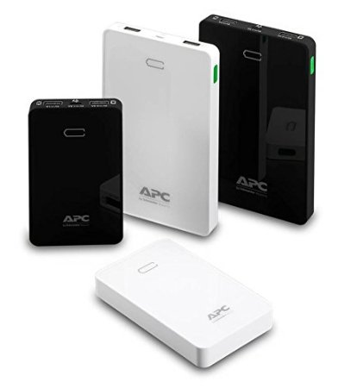
APC Part Number | Model | 特色說明 | Input Voltage | Output Voltage | 售價
行動電源
M5BK | APC Mobile Power Pack, 5000mAh Li-polymer, Black | ◆黑色 ◆2.4A及1A兩個USB充電插槽 ◆LED顯示剩餘電量 ◆5000mAh超大容量，採用鋰聚合物電池 ◆台灣地區一年保固 | 5V | 5V | 856
M5WH | APC Mobile Power Pack, 5000mAh Li-polymer, White | ◆白色 ◆2.4A及1A兩個USB充電插槽 ◆LED顯示剩餘電量 ◆5000mAh超大容量，採用鋰聚合物電池 ◆台灣地區一年保固 | 5V | 5V | 856
M10BK | APC Mobile Power Pack, 10000mAh Li-polymer, Black | ◆黑色 ◆2.4A及1A兩個USB充電插槽 ◆LED顯示剩餘電量 ◆10000mAh超大容量，採用鋰聚合物電池 ◆台灣地區一年保固 | 5V | 5V | 1,332
M10WH | APC Mobile Power Pack, 10000mAh Li-polymer, White | ◆白色 ◆2.4A及1A兩個USB充電插槽 ◆LED顯示剩餘電量 ◆10000mAh超大容量，採用鋰聚合物電池 ◆台灣地區一年保固 | 5V | 5V | 1,332

